Fountains
Image | Item # | Name | DESCRIPTION | SIZE(IN) | Material | COO | FOB PRICE/PC (USD) | LANDED COST CAD | HD Gross Cost | Unit Cost | Unit Retail | MSI NET IMU | HD Gross IMU | IMU% | Suggested Retail PRICE - Rishabh | Product Link | Projected Sales Units | Projected Sales Rtl | Key Product Feature #1 | Key Product Feature #2 | Key Product Feature #3 | Associated Customer Benefit #1 | Associated Customer Benefit #2 | Associated Customer Benefit #3
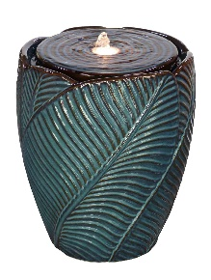 | CER-FOU-001 | Ceramic Fountain - 001 | Polyresin Fountain | 13.60x13.60x16.10 | Ceramic | Vietnam | $43.41 | $60.61 | $92.98 | $79.03 | $148.00 | 23% | 37% | 47% | $169.05 | Link | 2000 | $296,000 | Roman arch trellis design structure | All steel corrosion resistant build | owder coat finish for durability | üSupports vertical plant growth easily | Enhances garden beauty and style | üSuitable for multiple outdoor uses
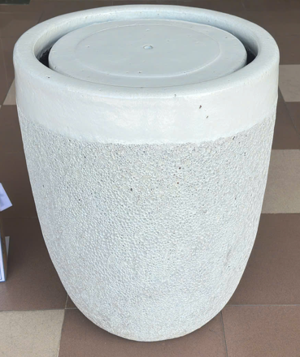 | CER-FOU-002 | Ceramic Fountain - 002 | Polyresin Fountain | 22.04x22.04x24.01 | Ceramic | Vietnam | $102.98 | $54.99 | $88.98 | $75.63 | $148.00 | 27% | 40% | 49% | $289.99 | Link | 2000 | $296,000 | Roman arch trellis design structure | All steel corrosion resistant build | owder coat finish for durability | üSupports vertical plant growth easily | Enhances garden beauty and style | üSuitable for multiple outdoor uses
 | POLY-FOU-001 | Polyresin Fountain - 001 | Polyresin Fountain | 11.81x7.87X23.62 | Resin | China | $29.14 | $65.32 | $99.98 | $84.98 | $168.00 | 23% | 40% | 49% | $166.63 | Link | 1000 | $168,000 | Roman arch trellis design structure | All steel corrosion resistant build | owder coat finish for durability | üSupports vertical plant growth easily | Enhances garden beauty and style | üSuitable for multiple outdoor uses
 | POLY-FOU-002 | Polyresin Fountain - 002 | Polyresin Fountain | 11.81x9.83x27.55 | Resin | China | $36.43 | $79.32 | $109.00 | $92.65 | $178.00 | 14% | 39% | 48% | $181.67 | Link | 1000 | $178,000 | Roman arch trellis design structure | All steel corrosion resistant build | owder coat finish for durability | üSupports vertical plant growth easily | Enhances garden beauty and style | üSuitable for multiple outdoor uses
 | POLY-FOU-003 | Polyresin Fountain - 003 | Polyresin Fountain | 9.83x9.05x19.68 | Resin | China | $25.57 | $60.00 | $89.98 | $76.48 | $148.00 | 22% | 39% | 48% | $140.00 | Link | 1000 | $148,000 | Roman arch trellis design structure | All steel corrosion resistant build | owder coat finish for durability | üSupports vertical plant growth easily | Enhances garden beauty and style | üSuitable for multiple outdoor uses
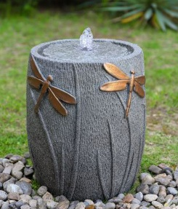 | FIB-GLS-FOU-001 | Fiber Glass Fountain - 001 | Fiber Glass Fountain | 12.99 × 12.99 × 15.94 | Fiber Glass | China | $40.90 | $73.05 | $107.00 | $90.95 | $178.00 | 20% | 40% | 49% | $178.33 | Link | 1500 | $267,000 | Roman arch trellis design structure | All steel corrosion resistant build | owder coat finish for durability | üSupports vertical plant growth easily | Enhances garden beauty and style | üSuitable for multiple outdoor uses
 | FIB-GLS-FOU-003 | Fiber Glass Fountain - 003 | Fiber Glass Fountain | 11.81 × 9.84 × 22.44 | Fiber Glass | China | $62.50 | $103.27 | $149.00 | $126.65 | $248.00 | 18% | 40% | 49% | $248.33 | Link | 1000 | $248,000 | Roman arch trellis design structure | All steel corrosion resistant build | owder coat finish for durability | üSupports vertical plant growth easily | Enhances garden beauty and style | üSuitable for multiple outdoor uses
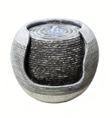 | RES-FOU-001 | Resin Fountain - 001 | Resin Fountain | 11.22 × 11.22 × 7.87 | Poly resin | China | $23.50 | $42.94 | $62.00 | $52.70 | $98.00 | 19% | 37% | 46% | $99.39 | Link | 4000 | $392,000 | Roman arch trellis design structure | All steel corrosion resistant build | owder coat finish for durability | üSupports vertical plant growth easily | Enhances garden beauty and style | üSuitable for multiple outdoor uses
 | RES-FOU-002 | Resin Fountain - 002 | Resin Fountain | 13.39 × 8.66 × 39.37 | Poly resin | China | $52.50 | $100.60 | $145.00 | $123.25 | $228.00 | 18% | 36% | 46% | $178.00 | Link | 1000 | $228,000 | Roman arch trellis design structure | All steel corrosion resistant build | owder coat finish for durability | üSupports vertical plant growth easily | Enhances garden beauty and style | üSuitable for multiple outdoor uses
 | RES-FOU-003 | Resin Fountain - 003 | Resin Fountain | 10.94 × 10.94 × 23.43 | Poly resin | China | $34.80 | $65.49 | $93.00 | $79.05 | $148.00 | 17% | 37% | 47% | $205.78 | Link | 2000 | $296,000 | Roman arch trellis design structure | All steel corrosion resistant build | owder coat finish for durability | üSupports vertical plant growth easily | Enhances garden beauty and style | üSuitable for multiple outdoor uses
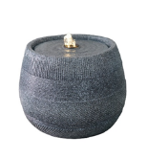 | RES-FOU-004 | Resin Fountain - 004 | Resin Fountain | 11.22 × 11.22 × 7.87 | Poly resin | China | $23.50 | $47.14 | $64.00 | $54.40 | $98.00 | 13% | 35% | 44% | $109.12 | Link | 4000 | $392,000 | Roman arch trellis design structure | All steel corrosion resistant build | owder coat finish for durability | üSupports vertical plant growth easily | Enhances garden beauty and style | üSuitable for multiple outdoor uses
 | TRE-STL-001 | Steel Trellis - 001 | Trellis | 0.39x26.65x80 | Steel | China | $5.20 | $11.25 | $19.98 | $16.98 | $39.98 | 34% | 50% | 58% | $53.98 | Link | 8000 | $319,840 | Roman arch trellis design structure | All steel corrosion resistant build | owder coat finish for durability | üSupports vertical plant growth easily | Enhances garden beauty and style | üSuitable for multiple outdoor uses
 | TRE-STL-004 | Steel Trellis - 004 | Trellis | 46.65x12.99x12.99 | Steel | China | $7.46 | $12.80 | $19.98 | $16.98 | $36.98 | 25% | 46% | 54% | $46.98 | Link | 8000 | $295,840 | Roman arch trellis design structure | All steel corrosion resistant build | owder coat finish for durability | üSupports vertical plant growth easily | Enhances garden beauty and style | üSuitable for multiple outdoor uses
 | TRE-STL-005 | Steel Trellis - 005 | Trellis | 11.5x23.62x54 | Steel | China | $17.86 | $34.68 | $50.98 | $43.33 | $99.98 | 20% | 49% | 57% | $130.00 | Link | 4500 | $449,910 | Roman arch trellis design structure | All steel corrosion resistant build | owder coat finish for durability | üSupports vertical plant growth easily | Enhances garden beauty and style | üSuitable for multiple outdoor uses
 | TRE-STL-006 | Steel Trellis - 006 | Trellis | 0.39x24x72 | Steel | China | $5.97 | $11.58 | $22.98 | $19.53 | $49.98 | 41% | 54% | 61% | $70.98 | Link | 6000 | $299,880 | Roman arch trellis design structure | All steel corrosion resistant build | owder coat finish for durability | üSupports vertical plant growth easily | Enhances garden beauty and style | üSuitable for multiple outdoor uses
 | TRE-IRN-001 | Iron Trellis - 001 | Trellis | 7.07x31.5x93 | Iron | China | $9.32 | $17.26 | $29.98 | $25.48 | $59.98 | 32% | 50% | 58% | $80.24 | Link | 5500 | $329,890 | Roman arch trellis design structure | All steel corrosion resistant build | owder coat finish for durability | üSupports vertical plant growth easily | Enhances garden beauty and style | üSuitable for multiple outdoor uses
 | TRE-MET-002 | Metal Trellis - 002 | Trellis | 32x96 | Metal | China | $9.95 | $18.25 | $29.98 | $25.48 | $59.98 | 28% | 50% | 58% | $118.96 | Link | 5500 | $329,890 | Roman arch trellis design structure | All steel corrosion resistant build | owder coat finish for durability | üSupports vertical plant growth easily | Enhances garden beauty and style | üSuitable for multiple outdoor uses
 | ELF-STA-001 | Elf STATUE - 001 | Elf STATUE | 9.45 × 7.09 × 17.32 | FibreClay | China | $6.40 | $12.05 | $19.98 | $16.98 | $34.98 | 29% | 43% | 51% | $36.33 | Link | 2000 | $69,960 | Roman arch trellis design structure | All steel corrosion resistant build | owder coat finish for durability | üSupports vertical plant growth easily | Enhances garden beauty and style | üSuitable for multiple outdoor uses
 | ELF-STA-002 | Elf STATUE - 002 | Elf STATUE | 6.69 × 6.69 × 14.96 | FibreClay | China | $5.70 | $10.22 | $17.98 | $15.28 | $29.98 | 33% | 40% | 49% | $32.69 | Link | 2000 | $59,960 | Roman arch trellis design structure | All steel corrosion resistant build | owder coat finish for durability | üSupports vertical plant growth easily | Enhances garden beauty and style | üSuitable for multiple outdoor uses
 | FIB-CLY-POT-001 | FIBRE CLAY POTS - 001 | FIBRE CLAY POTS | 16.14 × 16.93 × 15.75 | FibreClay | China | $22.60 | $44.02 | $71.98 | $61.18 | $119.98 | 28% | 40% | 49% | $130.87 | Link | 1000 | $119,980 | Roman arch trellis design structure | All steel corrosion resistant build | owder coat finish for durability | üSupports vertical plant growth easily | Enhances garden beauty and style | üSuitable for multiple outdoor uses
 | FIB-CLY-POT-002 | FIBRE CLAY POTS - 002 | FIBRE CLAY POTS | 16.93 × 16.93 × 15.35 | FibreClay | China | $22.60 | $44.44 | $71.98 | $61.18 | $119.98 | 27% | 40% | 49% | $130.87 | Link | 1000 | $119,980 | Roman arch trellis design structure | All steel corrosion resistant build | owder coat finish for durability | üSupports vertical plant growth easily | Enhances garden beauty and style | üSuitable for multiple outdoor uses
 | FIB-CLY-POT-003 | FIBRE CLAY POTS - 003 | FIBRE CLAY POTS | 16.54 × 16.54 × 15.35 | FibreClay | China | $22.60 | $43.28 | $71.98 | $61.18 | $119.98 | 29% | 40% | 49% | $130.87 | Link | 1000 | $119,980 | Roman arch trellis design structure | All steel corrosion resistant build | owder coat finish for durability | üSupports vertical plant growth easily | Enhances garden beauty and style | üSuitable for multiple outdoor uses
 | FIB-CEM-BUD | Fiber Cement Buddha | Fiber Cement Buddha | 18.89 x 14.17 x25.59 | Fiber Cement | Vietnam | $34.52 | $81.47 | $134.98 | $114.73 | $229.98 | 29% | 41% | 50% | $149.00 | Link | 1500 | $344,970 | Roman arch trellis design structure | All steel corrosion resistant build | owder coat finish for durability | üSupports vertical plant growth easily | Enhances garden beauty and style | üSuitable for multiple outdoor uses
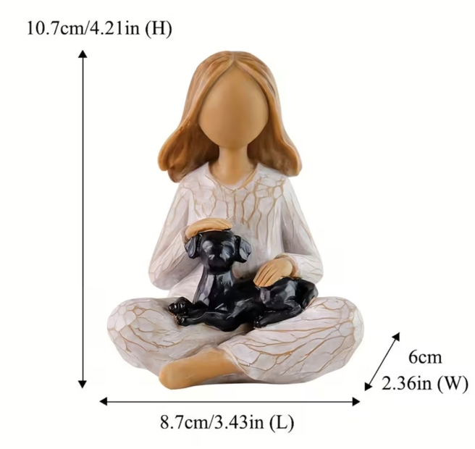 | RES-STA-001 | Resin Statues - 001 | Resin Statues | 3.43x2.36x4.21 | Resin | China | $5.15 | $10.07 | $17.98 | $15.28 | $29.98 | 34% | 40% | 49% | $24.44 | Link | 1000 | $29,980 | Roman arch trellis design structure | All steel corrosion resistant build | owder coat finish for durability | üSupports vertical plant growth easily | Enhances garden beauty and style | üSuitable for multiple outdoor uses
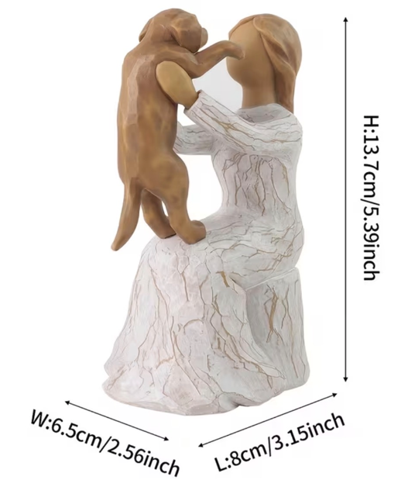 | RES-STA-002 | Resin Statues - 002 | Resin Statues | 3.15x2.56x5.39 | Resin | China | $6.32 | $12.02 | $17.98 | $15.28 | $29.98 | 21% | 40% | 49% | $32.69 | Link | 4000 | $119,920 | Roman arch trellis design structure | All steel corrosion resistant build | owder coat finish for durability | üSupports vertical plant growth easily | Enhances garden beauty and style | üSuitable for multiple outdoor uses
 | RES-STA-003 | Resin Statues - 003 | Resin Statues | 1.65x1.85x5.31 | Resin | China | $6.15 | $11.69 | $17.98 | $15.28 | $29.98 | 23% | 40% | 49% | $32.69 | Link | 1000 | $29,980 | Roman arch trellis design structure | All steel corrosion resistant build | owder coat finish for durability | üSupports vertical plant growth easily | Enhances garden beauty and style | üSuitable for multiple outdoor uses
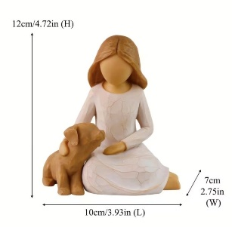 | RES-STA-004 | Resin Statues - 004 | Resin Statues | 3.93 x 2.75 x 4.72 | Resin | China | $6.32 | $11.79 | $17.98 | $15.28 | $29.98 | 23% | 40% | 49% | $31.93 | Link | 2000 | $59,960 | Roman arch trellis design structure | All steel corrosion resistant build | owder coat finish for durability | üSupports vertical plant growth easily | Enhances garden beauty and style | üSuitable for multiple outdoor uses
 | FIB-CLY-POT-002 | FIBRE CLAY POTS - 002 | FIBRE CLAY POTS | 16.93 × 16.93 × 15.35 | FibreClay | China | $22.60 | $44.44 | $71.98 | #VALUE! | $119.98 | #VALUE! | 40% | #VALUE! | $130.87 | Link | 2000 | $59,960 | Roman arch trellis design structure | All steel corrosion resistant build | owder coat finish for durability | üSupports vertical plant growth easily | Enhances garden beauty and style | üSuitable for multiple outdoor uses
 | FIB-CLY-POT-003 | FIBRE CLAY POTS - 003 | FIBRE CLAY POTS | 16.54 × 16.54 × 15.35 | FibreClay | China | $22.60 | $43.28 | $71.98 | #VALUE! | $119.98 | #VALUE! | 40% | #VALUE! | $130.87 | Link | 2000 | $59,960 | Roman arch trellis design structure | All steel corrosion resistant build | owder coat finish for durability | üSupports vertical plant growth easily | Enhances garden beauty and style | üSuitable for multiple outdoor uses
 | FIB-CEM-BUD | Fiber Cement Buddha | Fiber Cement Buddha | 18.89 x 14.17 x25.59 | Fiber Cement | Vietnam | $34.52 | $81.47 | $134.98 | #VALUE! | $229.98 | #VALUE! | 41% | #VALUE! | $149.00 | Link | 1000 | $59,960 | Roman arch trellis design structure | All steel corrosion resistant build | owder coat finish for durability | üSupports vertical plant growth easily | Enhances garden beauty and style | üSuitable for multiple outdoor uses
 | RES-STA-001 | Resin Statues - 001 | Resin Statues | 3.43x2.36x4.21 | Resin | China | $5.15 | $10.07 | $17.98 | #VALUE! | $29.98 | #VALUE! | 40% | #VALUE! | $24.44 | Link | 1000 | $59,960 | Roman arch trellis design structure | All steel corrosion resistant build | owder coat finish for durability | üSupports vertical plant growth easily | Enhances garden beauty and style | üSuitable for multiple outdoor uses
 | RES-STA-002 | Resin Statues - 002 | Resin Statues | 3.15x2.56x5.39 | Resin | China | $6.32 | $12.02 | $17.98 | #VALUE! | $29.98 | #VALUE! | 40% | #VALUE! | $32.69 | Link | 1000 | $59,960 | Roman arch trellis design structure | All steel corrosion resistant build | owder coat finish for durability | üSupports vertical plant growth easily | Enhances garden beauty and style | üSuitable for multiple outdoor uses
 | RES-STA-003 | Resin Statues - 003 | Resin Statues | 1.65x1.85x5.31 | Resin | China | $6.15 | $11.69 | $17.98 | #VALUE! | $29.98 | #VALUE! | 40% | #VALUE! | $32.69 | Link | 1500 | $59,960 | Roman arch trellis design structure | All steel corrosion resistant build | owder coat finish for durability | üSupports vertical plant growth easily | Enhances garden beauty and style | üSuitable for multiple outdoor uses
 | RES-STA-004 | Resin Statues - 004 | Resin Statues | 3.93 x 2.75 x 4.72 | Resin | China | $6.32 | $11.79 | $17.98 | #VALUE! | $29.98 | #VALUE! | 40% | #VALUE! | $31.93 | Link | 1000 | $59,960 | Roman arch trellis design structure | All steel corrosion resistant build | owder coat finish for durability | üSupports vertical plant growth easily | Enhances garden beauty and style | üSuitable for multiple outdoor uses
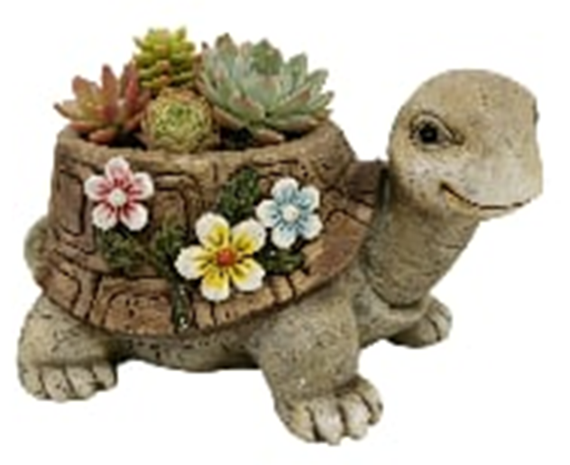 |  | Animal planter | FibreClay | 37X23.5X24 | FibreClay | China | $7.91 | $14.67 | $24.00 | #VALUE! | $39.98 | #VALUE! | 40% | #VALUE! |  |  | 4000 | $59,960 | Roman arch trellis design structure | All steel corrosion resistant build | owder coat finish for durability | üSupports vertical plant growth easily | Enhances garden beauty and style | üSuitable for multiple outdoor uses
 |  | Animal planter | FibreClay | 39X23X21 | FibreClay | China | $7.91 | $14.47 | $24.00 | #VALUE! | $39.98 | #VALUE! | 40% | #VALUE! |  |  | 1000 | $59,960 | Roman arch trellis design structure | All steel corrosion resistant build | owder coat finish for durability | üSupports vertical plant growth easily | Enhances garden beauty and style | üSuitable for multiple outdoor uses
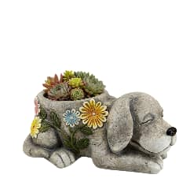 |  | Animal planter | FibreClay | 38X24X16 | FibreClay | China | $7.91 | $14.02 | $24.00 | #VALUE! | $39.98 | #VALUE! | 40% | #VALUE! |  |  | 2000 | $59,960 | Roman arch trellis design structure | All steel corrosion resistant build | owder coat finish for durability | üSupports vertical plant growth easily | Enhances garden beauty and style | üSuitable for multiple outdoor uses
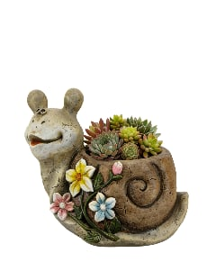 |  | Animal planter | FibreClay | 32X21X25 | FibreClay | China | $7.40 | $13.45 | $24.00 | #VALUE! | $39.98 | #VALUE! | 40% | #VALUE! |  |  | 4000 | $59,960 | Roman arch trellis design structure | All steel corrosion resistant build | owder coat finish for durability | üSupports vertical plant growth easily | Enhances garden beauty and style | üSuitable for multiple outdoor uses
 |  | Animal planter | FibreClay | 33X26X29 | FibreClay | China | $8.80 | $16.84 | $27.00 | #VALUE! | $44.98 | #VALUE! | 40% | #VALUE! |  |  | 8000 | $59,960 | Roman arch trellis design structure | All steel corrosion resistant build | owder coat finish for durability | üSupports vertical plant growth easily | Enhances garden beauty and style | üSuitable for multiple outdoor uses
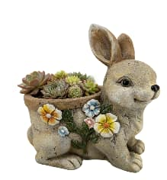 |  | Animal planter | FibreClay | 33X23X36 | FibreClay | China | $8.80 | $16.75 | $27.00 | #VALUE! | $44.98 | #VALUE! | 40% | #VALUE! |  |  | 8000 | $59,960 | Roman arch trellis design structure | All steel corrosion resistant build | owder coat finish for durability | üSupports vertical plant growth easily | Enhances garden beauty and style | üSuitable for multiple outdoor uses
 |  |  |  | 9.45 × 7.09 × 17.32 | FibreClay | China |  | $13.00 | $19.98 | #VALUE! | $39.98 | #VALUE! | 50% | #VALUE! |  |  | 4500 | $59,960 | Roman arch trellis design structure | All steel corrosion resistant build | owder coat finish for durability | üSupports vertical plant growth easily | Enhances garden beauty and style | üSuitable for multiple outdoor uses
 | ELF-STA-002 | Elf STATUE - 002 | Elf STATUE | 6.69 × 6.69 × 14.96 | FibreClay | China | $5.70 | $10.22 | $17.98 | $15.28 | $29.98 | 33% | 40% | 49% | $32.69 | Link | 2000 | $59,960 | Roman arch trellis design structure | All steel corrosion resistant build | owder coat finish for durability | üSupports vertical plant growth easily | Enhances garden beauty and style | üSuitable for multiple outdoor uses
 | FIB-CLY-POT-001 | FIBRE CLAY POTS - 001 | FIBRE CLAY POTS | 16.14 × 16.93 × 15.75 | FibreClay | China | $22.60 | $44.02 | $71.98 | $61.18 | $119.98 | 28% | 40% | 49% | $130.87 | Link | 1000 | $119,980 | Roman arch trellis design structure | All steel corrosion resistant build | owder coat finish for durability | üSupports vertical plant growth easily | Enhances garden beauty and style | üSuitable for multiple outdoor uses
 | FIB-CLY-POT-002 | FIBRE CLAY POTS - 002 | FIBRE CLAY POTS | 16.93 × 16.93 × 15.35 | FibreClay | China | $22.60 | $44.44 | $71.98 | $61.18 | $119.98 | 27% | 40% | 49% | $130.87 | Link | 1000 | $119,980 | Roman arch trellis design structure | All steel corrosion resistant build | owder coat finish for durability | üSupports vertical plant growth easily | Enhances garden beauty and style | üSuitable for multiple outdoor uses
 | FIB-CLY-POT-003 | FIBRE CLAY POTS - 003 | FIBRE CLAY POTS | 16.54 × 16.54 × 15.35 | FibreClay | China | $22.60 | $43.28 | $71.98 | $61.18 | $119.98 | 29% | 40% | 49% | $130.87 | Link | 1000 | $119,980 | Roman arch trellis design structure | All steel corrosion resistant build | owder coat finish for durability | üSupports vertical plant growth easily | Enhances garden beauty and style | üSuitable for multiple outdoor uses
 | FIB-CEM-BUD | Fiber Cement Buddha | Fiber Cement Buddha | 18.89 x 14.17 x25.59 | Fiber Cement | Vietnam | $34.52 | $81.47 | $134.98 | $114.73 | $229.98 | 29% | 41% | 50% | $149.00 | Link | 1500 | $344,970 | Roman arch trellis design structure | All steel corrosion resistant build | owder coat finish for durability | üSupports vertical plant growth easily | Enhances garden beauty and style | üSuitable for multiple outdoor uses
 | RES-STA-001 | Resin Statues - 001 | Resin Statues | 3.43x2.36x4.21 | Resin | China | $5.15 | $10.07 | $17.98 | $15.28 | $29.98 | 34% | 40% | 49% | $24.44 | Link | 1000 | $29,980 | Roman arch trellis design structure | All steel corrosion resistant build | owder coat finish for durability | üSupports vertical plant growth easily | Enhances garden beauty and style | üSuitable for multiple outdoor uses
 | RES-STA-002 | Resin Statues - 002 | Resin Statues | 3.15x2.56x5.39 | Resin | China | $6.32 | $12.02 | $17.98 | $15.28 | $29.98 | 21% | 40% | 49% | $32.69 | Link | 4000 | $119,920 | Roman arch trellis design structure | All steel corrosion resistant build | owder coat finish for durability | üSupports vertical plant growth easily | Enhances garden beauty and style | üSuitable for multiple outdoor uses
 | RES-STA-003 | Resin Statues - 003 | Resin Statues | 1.65x1.85x5.31 | Resin | China | $6.15 | $11.69 | $17.98 | $15.28 | $29.98 | 23% | 40% | 49% | $32.69 | Link | 1000 | $29,980 | Roman arch trellis design structure | All steel corrosion resistant build | owder coat finish for durability | üSupports vertical plant growth easily | Enhances garden beauty and style | üSuitable for multiple outdoor uses
 | RES-STA-004 | Resin Statues - 004 | Resin Statues | 3.93 x 2.75 x 4.72 | Resin | China | $6.32 | $11.79 | $17.98 | $15.28 | $29.98 | 23% | 40% | 49% | $31.93 | Link | 2000 | $59,960 | Roman arch trellis design structure | All steel corrosion resistant build | owder coat finish for durability | üSupports vertical plant growth easily | Enhances garden beauty and style | üSuitable for multiple outdoor uses

